Additional Information
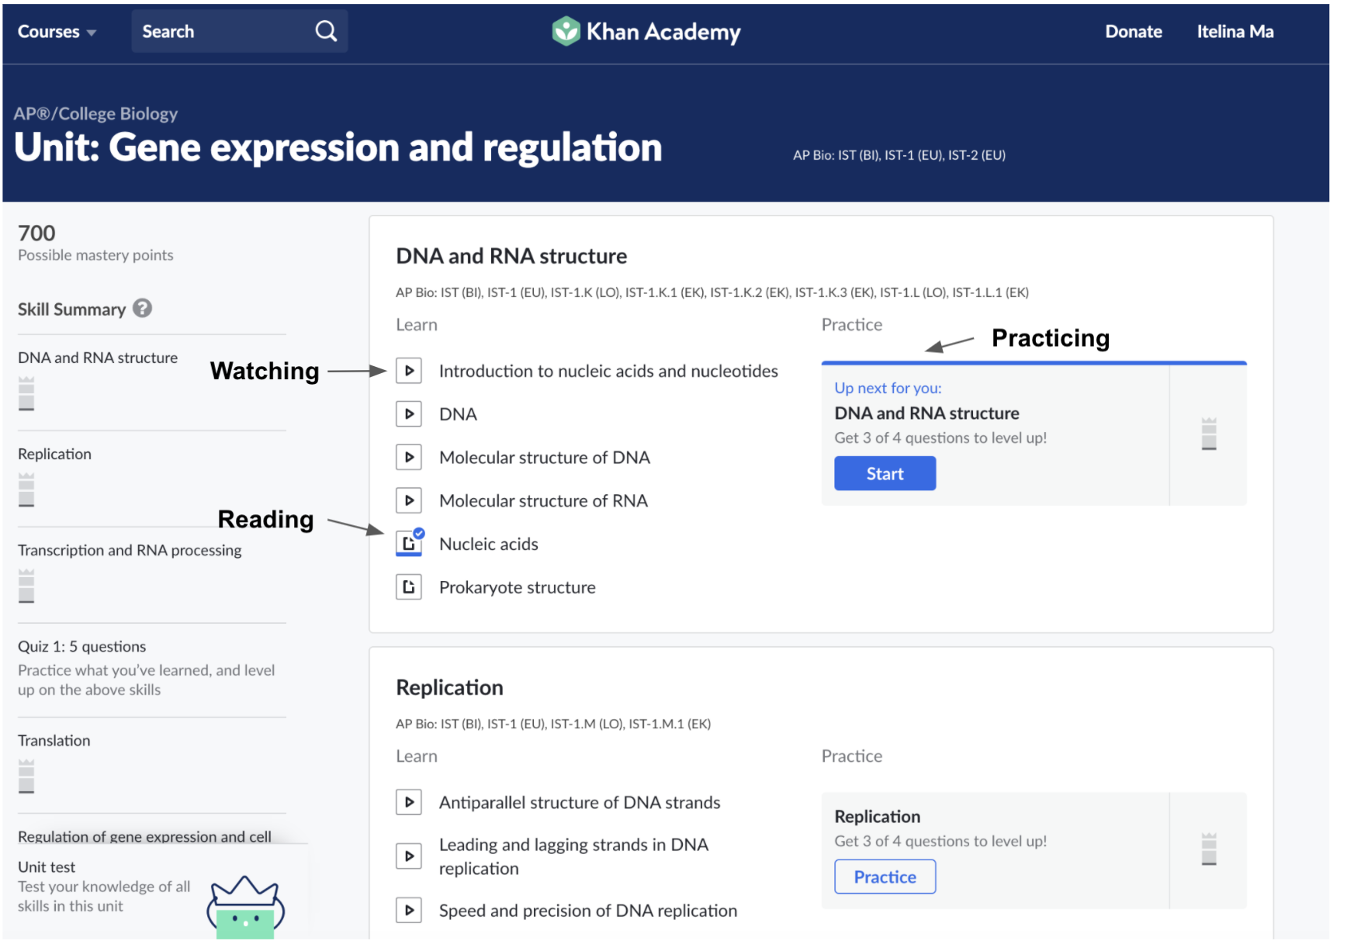
The screenshots below describe what "domain", "course", and "unit" refers to from the user's experience on the Khan website.

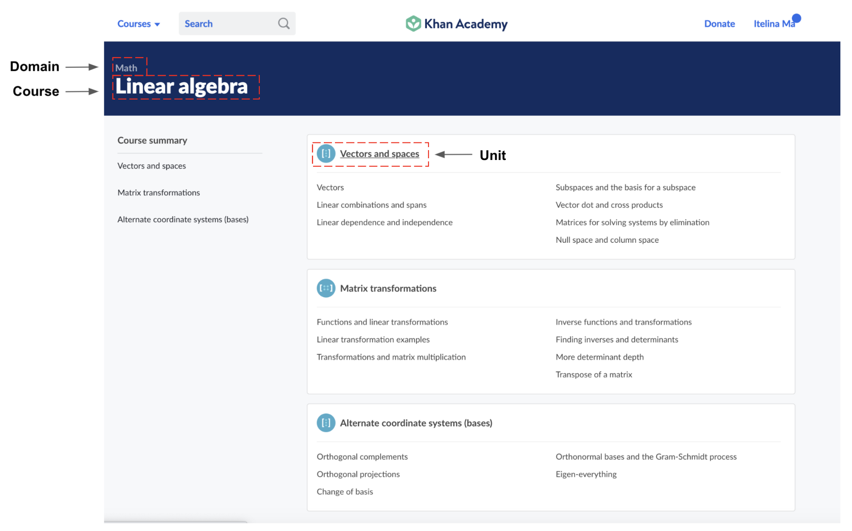

The screenshots below describe what the activities such as "watching", "reading", "practicing" refers to as the user is learning on the website.

